SU 0600 001
University | Ecole Centrale de Lyon |  |  |  | Back to BOM |  |  |  | Car # | 81 |  | Part Cost | $1.37
System | Suspension & Shocks |  | FileLink1 |  |  |  |  |  |  |  |  | Qty | 4
Assembly | Front Bell Crank |  | FileLink2 |  |  |  |  |  | FileLink1
Part | Rocker bushing |  | FileLink3 |  |  |  |  |  | FileLink2 |  |  | Extended Cost | $5.48
P/N Base | SU 0600 001 |  |  |  |  |  |  |  | FileLink3
Suffix | AA
Details

ItemOrder | Material | Use | UnitCost | Size1 | Unit1 | Size2 | Unit2 | Area Name | Area | Length | Density | Quantity | Sub Total
10 | Plastic, Flouropolymers | Stock material for bushings | $3.30 | 0.014 | kg |  |  | Round area, diameter 15 mm | 1.77E-04 | 0.009 | 8500 | 1 | $0.05
 |  |  |  |  |  |  |  |  |  |  |  | Sub Total | $0.05

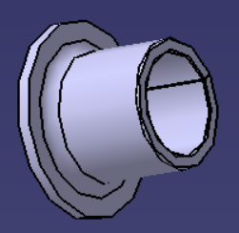
ItemOrder | Process | Use | UnitCost | Unit | Quantity | Multiplier | Mult. Val. | Sub Total
10 | Machining Setup, Install and remove |  | $1.30 | unit | 1 |  |  | $1.30
20 | Machining (turning) | Machining removal | $0.04 | cm^3 | 1.25 | Material - Plastic | 0.5 | $0.03
 |  |  |  |  |  |  | Sub Total | $1.33

 | Commentaire : | Cette année les cousinets sont en acier recouvert de téflon (ce n'est pas du teflon pur). L'an dernier c'était du bronze.
 |  | Le process que je décris là ne marche donc pas vraiment…
 |  | Ce serait plutôt le même process mais avec de l'acier et ensuite on recouvre de teflon, mais j'ai pas trouv" comment faire ça dans le cost

SU 0600 002
University | Ecole Centrale de Lyon |  |  |  | Back to BOM |  |  |  | Car # | 81 |  | Part Cost | $1.54
System | Suspension & Shocks |  | FileLink1 |  |  |  |  |  |  |  |  | Qty | 2
Assembly | Front Bell Crank |  | FileLink2 |  |  |  |  |  | FileLink1
Part | Rocker spacer |  | FileLink3 |  |  |  |  |  | FileLink2 |  |  | Extended Cost | $3.09
P/N Base | SU 0600 002 |  |  |  |  |  |  |  | FileLink3
Suffix | AA
Details

ItemOrder | Material | Use | UnitCost | Size1 | Unit1 | Size2 | Unit2 | Area Name | Area | Length | Density | Quantity | Sub Total
10 | Steel, Mild | Raw material | $2.25 | 0.024 | kg |  |  | Round area, diameter 14 mm | 1.54E-04 | 0.020 | 7850 | 1 | $0.05
 |  |  |  |  |  |  |  |  |  |  |  | Sub Total | $0.05

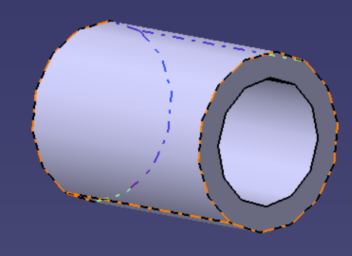
ItemOrder | Process | Use | UnitCost | Unit | Quantity | Multiplier | Mult. Val. | Sub Total
10 | Machining Setup, Install and remove |  | $1.30 | unit | 1 |  |  | $1.30
20 | Machining (turning) | Machining removal | $0.04 | cm^3 | 1.57 | Material - Steel | 3 | $0.19
 |  |  |  |  |  |  | Sub Total | $1.49

SU 0600 003
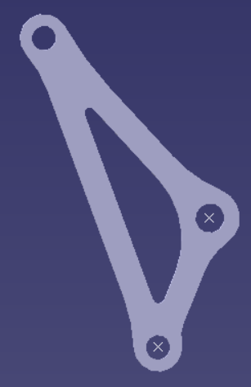
University | Ecole Centrale de Lyon |  |  |  |  | Back to BOM |  |  | Car # | 81 |  | Part Cost | $0.88
System | Suspension & Shocks |  | FileLink1 | Drawing |  |  |  |  |  |  |  | Qty | 4
Assembly | Front Bell Crank |  | FileLink2 |  |  |  |  |  | FileLink1
Part | Sheet of metal for the rocker |  | FileLink3 |  |  |  |  |  | FileLink2 |  |  | Extended Cost | $3.53
P/N Base | SU 0600 003 |  |  |  |  |  |  |  | FileLink3
Suffix | AA
Details

ItemOrder | Material | Use | UnitCost | Size1 | Unit1 | Size2 | Unit2 | Area Name | Area | Length | Density | Quantity | Sub Total
10 | Steel, Mild | Material for rocker | $2.25 | 0.17662500 | kg |  |  | Rectangular sheet 125*65 mm^2 | 0.00750000 | 0.003 | 7,850 | 1.00 | $0.40
 |  |  |  |  |  |  |  |  |  |  |  | Sub Total | $0.40

ItemOrder | Process | Use | UnitCost | Unit | Quantity | Multiplier | Mult. Val. | Sub Total
10 | Machining setup, install and remove | Insert and remove parts from laser | $1.30 | unit | 1 | 4 parts made from a single machine setup | 0.25 | $0.33
20 | Laser cut | Cutting the sheets | $0.01 | cm | 5.3 | Material - Steel | 3 | $0.16
 |  |  |  |  |  |  | Sub Total | $0.48

dSU 0600 003
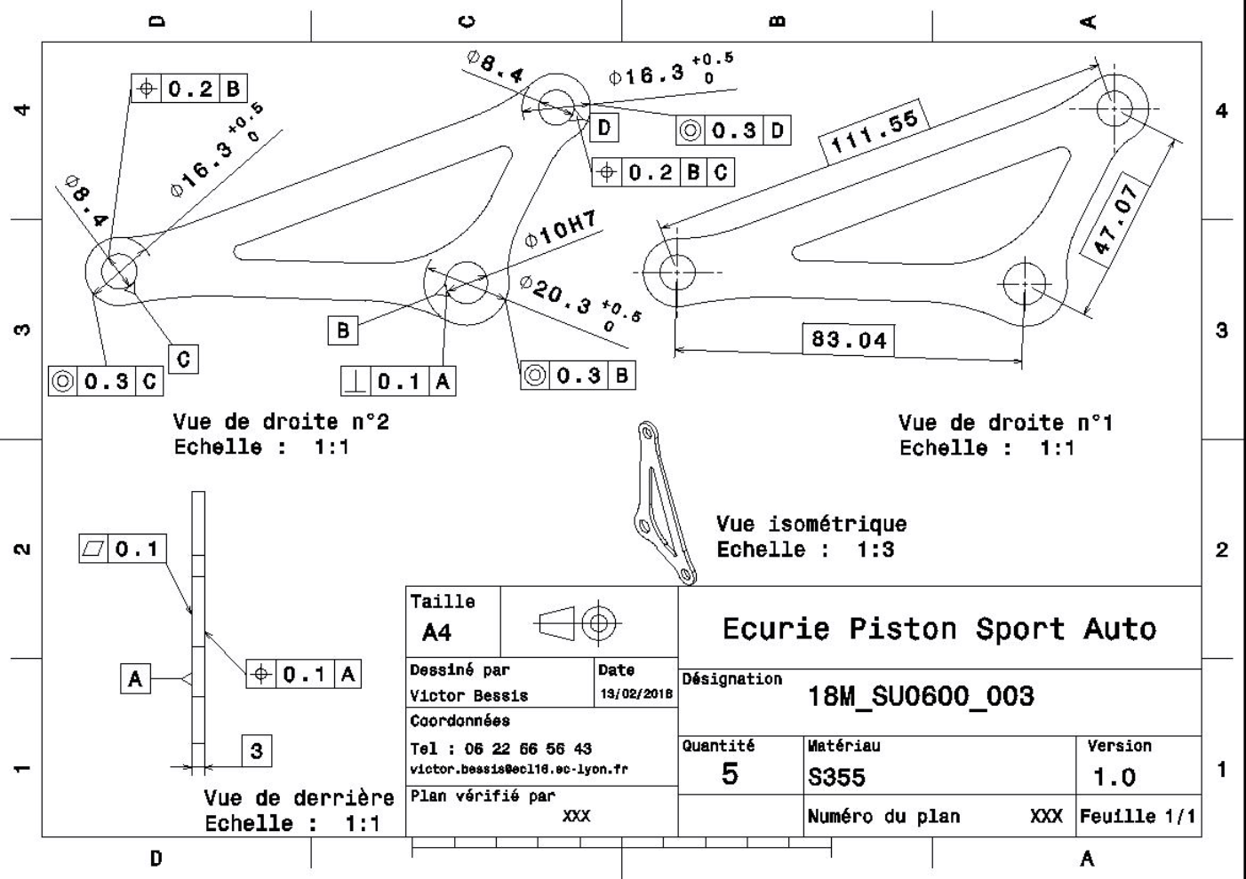
Drawing part: | SU 0600 003

SU 0600 004
University | Ecole Centrale de Lyon |  |  |  | Back to BOM |  |  |  | Car # | 81 |  | Part Cost | $2.27
System | Suspension & Shocks |  | FileLink1 |  |  |  |  |  |  |  |  | Qty | 4
Assembly | Front Bell Crank |  | FileLink2 |  |  |  |  |  | FileLink1
Part | Front rocker mount |  | FileLink3 |  |  |  |  |  | FileLink2 |  |  | Extended Cost | $9.08
P/N Base | SU 0600 004 |  |  |  |  |  |  |  | FileLink3
Suffix | AA
Details

ItemOrder | Material | Use | UnitCost | Size1 | Unit1 | Size2 | Unit2 | Area Name | Area | Length | Density | Quantity | Sub Total
10 | Steel, Mild | Raw material | $2.25 | 0.051 | kg |  |  | Rectangular sheet 50*26 mm^2 | 1.30E-03 | 0.005 | 7850 | 1 | $0.11
 |  |  |  |  |  |  |  |  |  |  |  | Sub Total | $0.11

ItemOrder | Process | Use | UnitCost | Unit | Quantity | Multiplier | Mult. Val. | Sub Total
10 | Machining setup, install and remove | Insert and remove parts from laser | $1.30 | unit | 1 | 4 parts made from a single machine setup | 0.25 | $0.33
20 | Laser cut | Cutting the sheets | $0.01 | cm | 16 | Material - Steel | 3 | $0.48
30 | Machining Setup, Install and remove |  | $1.30 | unit | 1 |  |  | $1.30
40 | Machining | Machining removal | $0.04 | cm^3 | 0.42 | Material - Steel | 3 | $0.05
 |  |  |  |  |  |  | Sub Total | $2.16

